Day 1
 | Analytics |  | Business Analytics |  |  | Data analytics |  |  |  |  | Data Science

 | Art

 | Painter | Paints

 | Canvas | Tools
 | Brushes | Tools
 | Colors | Data
 | Objective | Business Understanding

 |  |  |  | 1 |  |  |  |  | 2
 | 3 pillars of analytics |  |  | Math |  |  |  |  | Businesss

 |  |  |  | Stats |  |  |  |  | Business Problems
 |  |  |  | Algorithms |  |  |  |  | Approaching a business solution - break down the business problem into smaller chinks (structured business problem solving framework)
 |  |  |  |  |  |  |  |  | Storytelling - by connecting various dots (findings and insights of the data)
 |  |  |  |  |  |  |  |  | Presentaion/ Report)

 |  |  |  | 3
 |  |  |  | Tech |  | Enablers
 |  |  |  | Python | Stats tool
 |  |  |  | R | Stats tool
p |  |  |  | Tableau | Reporting and Dashboarding
 |  |  |  | Power BI | Reporting and Dashboarding

 |  |  | Buiness Problem - clearly defining/ specific

 |  |  | Analytics Value Chain

 |  |  | D | Descriptive Analytics |  |  |  |  |  |  | Findings
 |  |  |  | What is happening in the business? |  |  |  |  |  | # tickets, # customer, #food, # flights dealy

 |  |  | I / D | Inquisitve analytics/ Diagnostics |  |  |  |  |  |  | Insights
 |  |  |  | Why it is happening?

 |  |  | P | Predictive analytics
 |  |  |  | What will happen in the business? |  |  |  |  |  | Business Bhavisyawani |  |  |  |  | y = f (X)

 |  |  | P | Prescriptive analytics
 |  |  |  | So what? | Buisness Recommendations, Actions |  |  |  |  |  | Optimizations

 |  |  | Structured Business Solving Process

 |  |  | Irrespective of the business… I need to have a standard process of solving business problem
 |  |  | CRISP DM

 |  |  | Cross Industry Std Process of Data Mining
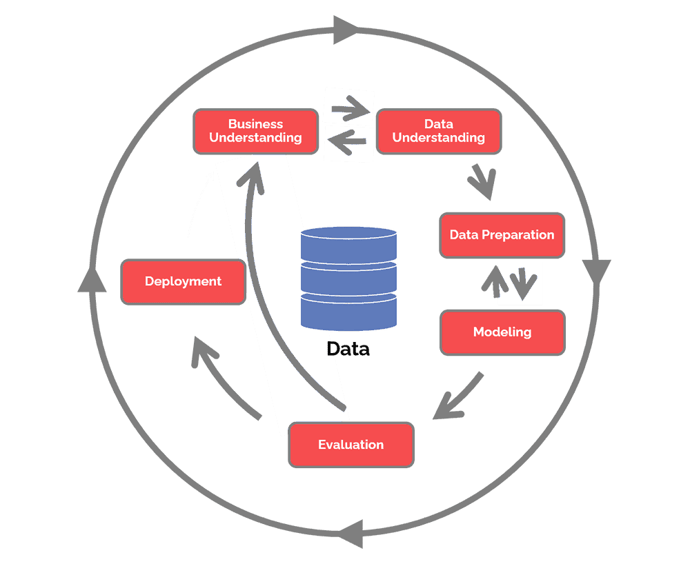

 |  | Data |  | Information
 |  | Raw

 |  | Text, Audio, Images, Video

 |  | Structured |  |  |  |  |  |  | Unstructured
 |  | Tabular (Row/ Col)

 |  | SID | NAME | AGE | CLASS | SUBJECT | DOJ | QTR | MARKS | Remarks | Pass/ Fail | Age Bin |  | Gender
 |  | 1 | Jitendra | 36 | 10 | Math | 2012-01-01 | 1 | 50 | He is not good at studies | FALSE | S | >30 | 1
 |  | 2 | Gaurav | 25 | 11 | Eng | 2013-03-02 | 1 | 67 | Awesome at Maths | TRUE | Y | <30 | 1
 |  | 3 | Lassi | 18 | 12 | Science | 2009-10-14 | 4 | 85 | Very studious | TRUE | Y | <30 | 1
 |  |  | Nidhi |  |  |  |  |  |  |  |  |  |  | 2

 |  | Data Types

 |  | Strings |  |  | Numeric |  |  |  | Date
 |  | Char |  |  | Decimal/ Float |  |  |  | Time/ Date Time
 |  | Alphanumeric |  |  | Int
 |  | var char |  |  | Whole numbers
 |  | Boolean (T/F)
 |  |  |  |  |  |  |  |  |  | What analysis you have to perform on data depends very much on what data type it is

 | 1 | String |  | 3 | Continous |  | 4 |  | Date

 | 2 | Categorical

 |  | POWER BI

 |  | VIZ TOOL |  |  |  |  |  |  | POWER BI
 |  | BI tool |  |  |  | Raw Data

 |  |  |  |  |  |  |  |  | Import data
 |  |  |  |  |  |  |  |  | Create data models
 |  | Extension of MS Excel |  |  |  |  |  |  | Transform Data
 |  |  |  |  |  |  |  |  | Reports (Viz)

 |  |  |  |  |  |  |  | Design | Business Problem | Business User/s

 |  |  |  |  |  |  | Power BI Desktop

 |  |  |  |  |  |  | Power BI Services

 |  | Excel

 |  | Pivots |  | Power Query Editor\ |  |  | Power Pivots
 |  | Viz |  |  |  |  | Data Modeling
 |  |  |  | M languange |  |  | Viz (which are not easily done omn basic version of excel)
 |  |  |  | DAX

